Instructions
Gap analysis tool to support the due diligence of avocado and pineapple companies

This gap analysis tool is a component of the guide Gap analysis to support due diligence in the avocado and pineapple sectorspublished by FAO in 2022

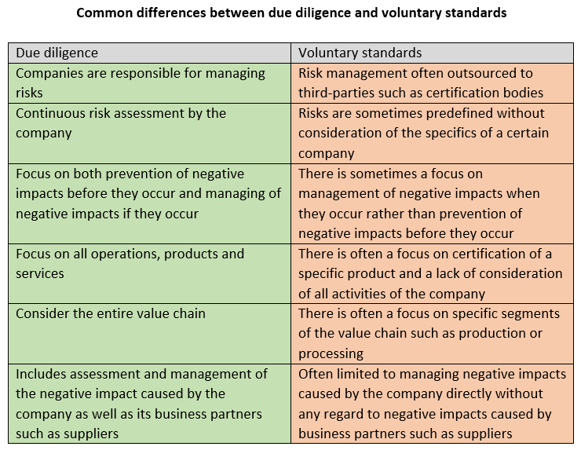
Due diligence is the process through which companies can identify, assess, mitigate, prevent and account for how they address the negative impacts of their activities and those of their suppliers and business partners. Due diligence can help your company to prevent, eliminate and remediate negative impacts that they cause or to which they contribute.
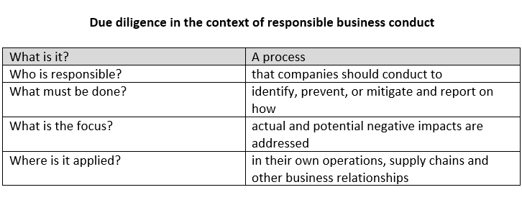
The self-assessment tool will help you compare the voluntary standards that your company uses and/or your internal risk managment policies with international expectations outlined in the OECD-FAO Guidance for sustainable agricultural supply chains (The OECD-FAO Guidance) https://www.fao.org/publications/card/en/c/eba5f5f1-bbf2-462b-b3f1-3de4049aa381. The results will give an overview of the strengths, limitations and areas for improvement in your company's sustainability risk-managment process. If you find gaps, you should consider the severity and likelihood of negative impacts that may arise if those gaps are not addressed. When prioritizing areas for improvement, you should reflect on the gaps in relation to the circumstances of your company.
The results will not be recorded by FAO and are only intended to be used internally by your company. A completed gap analysis does not imply any official recognition by FAO.
General instructions
In the "Questionaire" tab, please answer whether the standards or policies your company uses include the listed principles and requirements. We also encourage you to use the comment section to elaborate on whether, how and why your company complies with these principles and requirements. Part 1 lists general principles that should guide the design and implementation of due diligence These general principles often recur in different internationally endorsed documents on due diligence and responsible business conduct. Part 2 lists the thematic areas and associated risks and impacts included in the model enterprise policy of the OECD-FAO Guidance Each thematic area contains one or more requirements. If you find gaps in compliance with one or more of the requirements, you should consider the severity and likelihood of negative impacts arising if a gap is not addressed. You should therefore reflect on the gaps in relation to the specific circumstances of your company including the environmental conditions and political context of the geographical areas in which you are active, the products you produce and trade, the business relationships you have, and the segments of the value chain that you are involved in. Based on your analysis, you may find it more urgent to address certain gaps over others. Part 3 lists the 5-step framework for risk-based due diligence recommended by the OECD-FAO Guidance This is a practical step-by-step framework that can guide the process of carrying out due diligence. If your company is in the early stage of designing and implementing due diligence, you may find many gaps in this section. You can implement the requirements of each step to ensure that your due diligence process is comprehensive. If your company already has an advanced internal due diligence system, it may still be useful to compare it with the 5-step framework. You do not have to follow the steps in chronological order but may consider incorporating the requirements of all s
Instructions for the answers
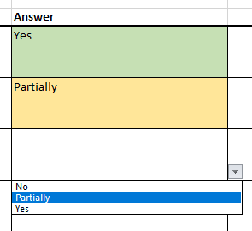 First, fill in the title of the person or group of persons that complete the self-assessment tool. For all the other questions, click in the cells and select yes, no or partially. When you have filled in the answers, you can find a summary in the "Report" tab. The Report gives a colour-coded overview of fulfilled, partially fulfilled and unfulfilled recommendations of the OECD-FAO Guidance.
Instructions for the comments
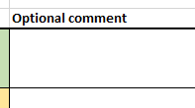 In the comment boxes, you can describe whether, how and why certain activities are fulfilled. If a criterion is fulfilled, you may describe which persons are involved, how it is fulfilled in practice, and why you think that it is important for your company. If an activity is not fulfilled or only partially fulfilled, youmay describe reasons that may include: lack of an adequate plan; lack of financial resources; lack of knowledge; or, that the particular requirement is not considered relevant for your company. The comments can help you and your colleagues prioritize gaps that you want to address and reflect on what kind of resources would be required to address those gaps.
For more information
The "Definitions" tab includes defintions of common terminology. A separate gap analysis manual provides more in-depth information about, for example, the importance of addressing economic, environmental and social risks as well as the difference between due diligence and voluntary standards. The manual and this self-assessment tool can be downloaded at https://www.fao.org/3/cc4149en/cc4149en.pdf You can also refer to the OECD-FAO Guidance for more detailed information about due diligence. https://www.fao.org/publications/card/en/c/eba5f5f1-bbf2-462b-b3f1-3de4049aa381 For any questions or feedback, please feel free to contact us via email! Responsible-Fruits@fao.org

Version 1.3

Report
Overview of the results of your gap analysis
These results can help you get a quick overview of the limitations of your company's risk management process and identify areas for improvement. If you find gaps, you should consider the severity and likelihood of negative impacts that may arise if those gaps are not addressed. When prioritizing areas for improvement, you should reflect on the gaps in relation to your company's circumstances.

General due diligence principles
 | Red |  | Green
 | 0 |  | 0
General due diligence principles | 0%

The model enterprise policy
Impact assessment | 0%
Disclosure | 0%
Consultations | 0%
Model Enterprise Policy
 | Red | Yellow | Green
Impact assessment | 0 | 0 | 0
Disclosure | 0 | 0 | 0
Consultations | 0 | 0 | 0
Benefit sharing | 0 | 0 | 0
Grievance mechanisms | 0 | 0 | 0
Gender | 0 | 0 | 0
Human rights | 0 | 0 | 0
Labour rights | 0 | 0 | 0
Health and safety | 0 | 0 | 0
Food security and nutrition | 0 | 0 | 0
Tenure rights over and access to natural resources | 0 | 0 | 0
Environmental protection and sustainable use of natural resources | 0 | 0 | 0
Governance | 0 | 0 | 0
Technology and innovation | 0 | 0 | 0
Benefit sharing | 0%
Grievance mechanisms | 0%
Gender | 0%
Human rights | 0%
Labour rights | 0%
Health and safety | 0%
Food security and nutrition | 0%
Tenure rights over and access to natural resources | 0%
Environmental protection and sustainable use of natural resources | 0%
Governance | 0%
Technology and innovation | 0%

The five-step framework
Step 1: Establish strong company management systems | 0%
Step 2. Identify, assess and prioritise risks in the supply chain | 0%
Step 3. Design and implement a strategy to respond to identified risks | 0%
Step 4. Verify supply chain due diligence | 0%
The five-step framework
 | Red | Yellow | Green
Step 1: Establish strong company management systems | 0 | 0 | 0
Step 2. Identify, assess and prioritise risks in the supply chain | 0 | 0 | 0
Step 3. Design and implement a strategy to respond to identified risks | 0 | 0 | 0
Step 4. Verify supply chain due diligence | 0 | 0 | 0
Step 5. Report on supply chain due diligence | 0 | 0 | 0
Step 5. Report on supply chain due diligence | 0%

