Tab. 2
Please feel free to add rows or columns if needed
TABLE 2. Animal population and productivity | PRODUCTION SYSTEMS
Parameter | Please insert the production system | Please insert the production system | Source | Stock and flow diagram of a cattle farm during 1 year
Number of animals |  |  |  | Please fill this diagram inserting your data in the boxes.
Cows
Replacement heifers
Heifers
Dairy cows
Calves
Females calves
Calves sold
Young bulls
Adult bulls
Deaths
Deaths
Deaths
Deaths
Deaths
Deaths
Deaths
Bulls
Female calves
Male calves
Heifers
Young bulls
Replacement heifers
Meat females
Meat males
Please add other category if known
Rates (percentage)
Herd replacement rate
Fertility rate or calving percentage
Death rate female calves
Death rate male calves
Death rate other animals
Live weights (kg)
Cows
Bulls
Female calves
Male calves
Heifers
Young bulls
Replacement heifers
Meat females
Meat males
Please add other category if known
Products and co-products (kg)
Dairy products
Average daily milk production (kg day)
Milk fat content (%)
Milk protein content (%)
Milk products, such as cheese, yoghurt and milk powder
Co-products, such as whey
Other possible co-products of processing, such as tallow, hides and renderable material
Meat products
Female weight at slaughtered
Male weight at slaughtered
Manure sold
Other parameters
Average age at first calving (year)
Age of replacements at first mating (year)
Average weight gain per day (kg day)
Average number of hours worked per day
Sales
Cows
Bulls
Female calves
Male calves
Heifers
Young bulls
Replacement heifers
Meat females
Meat males
Please add the sold animal category
Notes: If possible, monthly averages and cohorts input data are the most desirable for calculations.

Tab. 7
TABLE 7. Calculating energy requirements of animals
A range of models are used internationally for estimating the energy requirements, either as net (NE)
or metabolizable energy (ME) of large ruminants from population and productivity data.

The recommended order of preference is:
1. Region-specific models used in the country’s National Greenhouse Gas Inventory;
2. Other models that have been peer-reviewed and published that are applicable to the region or are country-specific;
3. IPCC (2006) Tier 2 method (see below for the equations);
4. IPCC default Tier-1 values (this should be seen as a last resort).

3. Calculation of NE following Tier 2 method IPCC (IPCC, 2006 Chapter 10.2.2)

Net energy for maintenance: (NEm ) is the net energy required for maintenance, which is the amount of energy
needed to keep the animal in equilibrium where body energy is neither gained nor lost (Jurgen, 1988).

Where:
NEm = net energy required by the animal for maintenance, MJ day-1
Cfi = a coefficient which varies for each animal category as shown in Table 10.4, MJ day-1 kg-1
Weight = live-weight of animal, kg

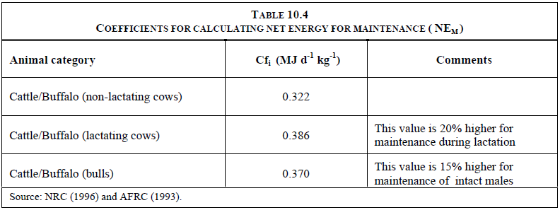

Net energy for activity: (NEa) is the net energy for activity, or the energy needed for animals to obtain their food,
water and shelter. It is based on its feeding situation rather than characteristics of the feed itself.

Where:
NEa = net energy for animal activity, MJ day-1
Ca = coefficient corresponding to animal’s feeding situation (Table 10.5, Activity coefficients)
NEm = net energy required by the animal for maintenance (Equation 10.3), MJ day-1

For Equations 10.4 , the coefficient Ca corresponds to a representative animal’s feeding situation as
described earlier. Values for Ca are shown in Table 10.5. If a mixture of these feeding situations occurs during
the year, NEa must be weighted accordingly.
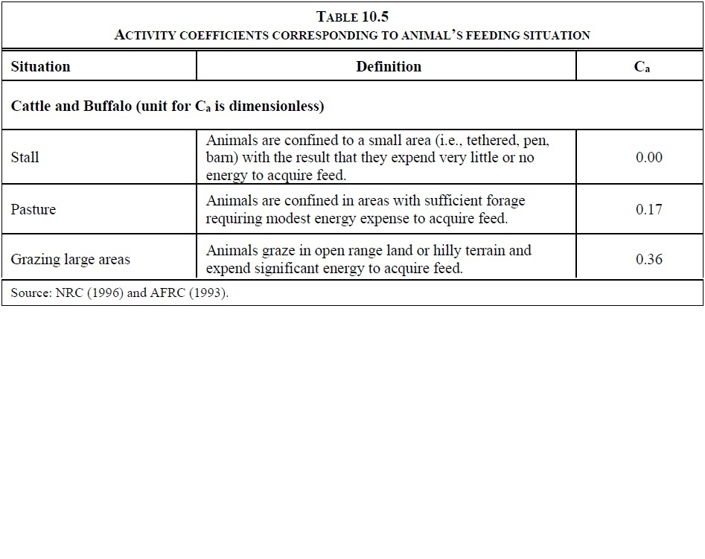

Net energy for growth: (NEg) is the net energy needed for growth (i.e., weight gain). Equation 10.6 is based on NRC (1996).

Where:
NEg = net energy needed for growth, MJ day-1
BW = the average live body weight (BW) of the animals in the population, kg
C = a coefficient with a value of 0.8 for females, 1.0 for castrates and 1.2 for bulls (NRC, 1996)
MW = the mature live body weight of an adult animal in moderate body condition, kg
WG = the average daily weight gain of the animals in the population, kg day-1

Net energy for lactation: (NEl ) is the net energy for lactation. For cattle and buffalo the net energy for lactation
is expressed as a function of the amount of milk produced and its fat content expressed as a percentage (e.g., 4%) (NRC, 1989):

Where:
NEl = net energy for lactation, MJ day-1
Milk = amount of milk produced, kg of milk day-1
Fat = fat content of milk, % by weight.

Net energy for work: (NEwork ) is the net energy required for animal work, used to estimate the energy required for
draught power from cattle and buffalo bulls. It is estimated that 10% of a day’smaintenance energy is used per hour of work.

Where:
NEwork = net energy for work, MJ day-1
NEm = net energy required by the animal for maintenance (Equation 10.3), MJ day-1
Hours = number of hours of work per day

Net energy for pregnancy: (NEp) is the energy required for pregnancy. For cattle and buffalo, it is estimated
that 10% of NEmain is needed for a 281-day gestation period. The equation is applied to adult and replacement females only.

Where:
NEp = net energy required for pregnancy, MJ day-1
Cpregnancy = pregnancy coefficient (see Table 10.7)
NEm = net energy required by the animal for maintenance (Equation 10.3), MJ day-1

Ratio of net energy available in diet for maintenance to digestible energy consumed (REM):
For cattle, buffalo and sheep, the ratio of net energy available in a diet for maintenance to digestible
energy consumed (REM ) is estimated using the following equation (Gibbs and Johnson, 1993):

Where:
REM = ratio of net energy available in a diet for maintenance to digestible energy consumed
DE% = digestible energy expressed as a percentage of gross energy

Ratio of net energy available for growth in a diet to digestible energy consumed (REG):
For cattle, buffalo and sheep the ratio of net energy available for growth (including wool growth) in a diet
to digestible energy consumed (REG ) is estimated using the following equation (Gibbs and Johnson, 1993):

Where:
REG = ratio of net energy available for growth in a diet to digestible energy consumed
DE% = digestible energy expressed as a percentage of gross energy

Gross energy, GE: As shown in Equation 10.16, GE requirement is derived based on the summed net energy
requirements and the energy availability characteristics of the feed(s). Equation 10.16 represents good practice
for calculating GE requirements for cattle and sheep using the results of the equations presented above.

Where:
GE = gross energy, MJ day-1
NEm = net energy required by the animal for maintenance (Equation 10.3), MJ day-1
NEa = net energy for animal activity (Equations 10.4 and 10.5), MJ day-1
NEl = net energy for lactation (Equations 10.8, 10.9, and 10.10), MJ day-1
NEwork = net energy for work (Equation 10.11), MJ day-1
NEp = net energy required for pregnancy (Equation 10.13), MJ day-1
REM = ratio of net energy available in a diet for maintenance to digestible energy consumed (Equation 10.14)
NEg = net energy needed for growth (Equations 10.6 and 10.7), MJ day-1
NEwool = net energy required to produce a year of wool (Equation 10.12), MJ day-1
REG = ratio of net energy available for growth in a diet to digestible energy consumed (Equation 10.15)
DE%= digestible energy expressed as a percentage of gross energy

