Map and list of divisions
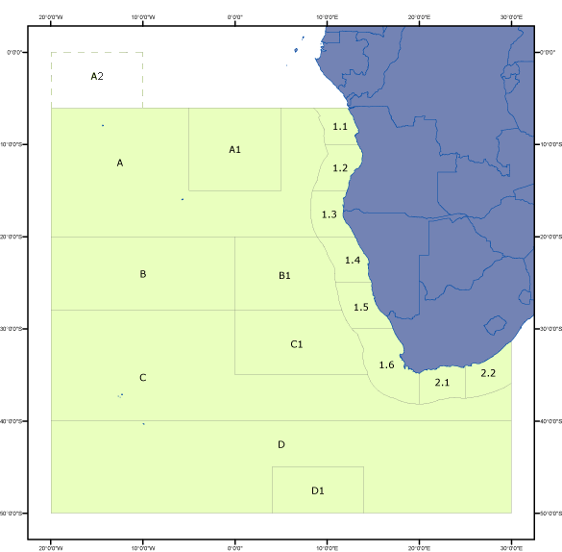

SOUTHEAST ATLANTIC (Major Area 47)
List of divisions:
47.1.1 Cape Palmeirinhas - Revised
47.1.2 Cape Salinas - Revised
47.1.3 Cunene - Revised
47.1.4 Cape Cross - Revised
47.1.5 Orange River - Revised
47.1.6 Cape of Good Hope - Revised
47.2.1 Middle Agulhas - Revised
47.2.2 Eastern Agulhas - Revised
47.A.0 SEAFO division
47.A.1 SEAFO division
47.B.0 SEAFO division
47.B.1 SEAFO division
47.C.0 SEAFO division
47.C.1 SEAFO division
47.D.0 SEAFO division
47.D.1 SEAFO division
Division 47.A.2 covers the rectangle bounded by a line joining the following points 0°-20°W; 0°-10°W; 6°S-10°W; 6°S-20°W. This area is included in the SEAFO Convention Area but in the FAO global grid of Major Fishing Areas it belongs to Area 34 and not to Area 47. Catch statistics reported for this division will be included by FAO under those for Major Fishing Area 34.
Tuna catches are not allocated according to statistical divisions and are grouped together into a division named "Tunas" (47.0.0).
Three other divisions, namely "Western coastal, not known" (47.1.9), "Agulhas coastal, not known" (47.2.9) and "Not known" (47.9.0), contain catches for which is not exactly known the statistical division.

