Instructions
INSTRUCTIONS
This sheet provides instructions on how to complete the questionnaire for Fishing Fleet. Please read it carefully before starting filling the questionnaire. Please pay careful attention to indicating whether the reported vessels are operating in marine or inland waters.

1. Data should cover all fisheries from industrial to artisanal, but exclude non-fishing support vessels such as fish carriers, motherships, research vessels etc. 2. The flag of the vessel is used to assign its nationality. 3. Data should refer to active vessels. Please specify in the metadata if the data includes non-active vessels. 4. Data should refer to 31 December of the year reported whenever possible. 5. Where possible, please add other pertinent information available in your statistics, such as the average age of the fleet, or any other readily available information.
FF1 - DECKED VESSELS
Data should record the total number of national fishing vessels, as follows:
FOR DECKED VESSELS
i) Length overall ( L.O.A. ) class
ii) Zone - fishing zone of marine or inland waters
iii) Indicate the units and the sum of the Tonnage by category (reporting in GT is preferred)
iv) Indicate the units and the sum of the Power by category (reporting in KW is preferred)
v) Type of vessel (CWP Classification Listing here: http://www.fao.org/3/a-bt984e.pdf)
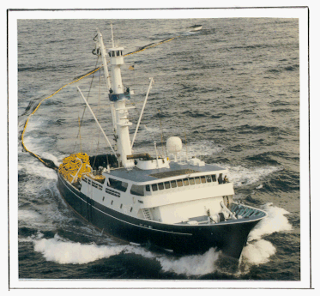
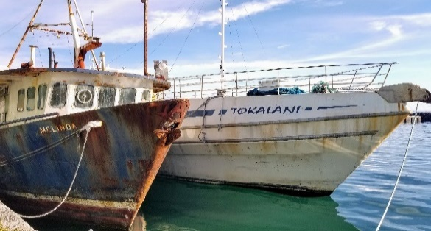
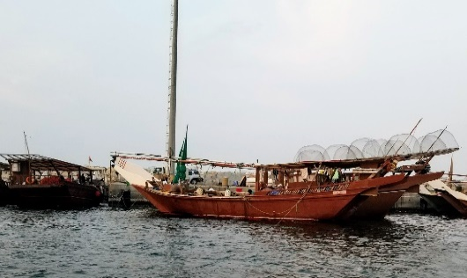


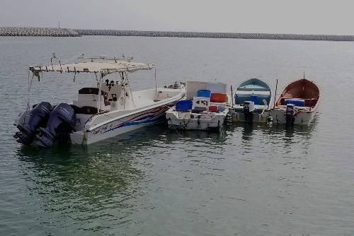
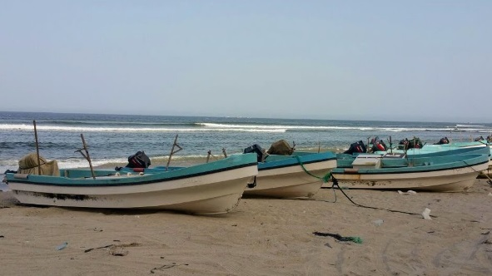
FF2 - UNDECKED VESSELS
Data should record the total number of national fishing vessels, as follows:
FOR UNDECKED VESSELS
i) Length overall ( L.O.A. ) class
ii) Zone - fishing zone of marine or inland waters
iii) Motorized / Not Motorized
iv) Type of vessel (CWP Classification Listing here: http://www.fao.org/3/a-bt984e.pdf)

Summary Chart
FISHERY FLEET – NUMBER OF VESSELS BY TYPE (MOTORIZED/NOT MOTORIZED) |  |  |  |  |  |  |  |  |  |  |  |  |  |  |  |  |  |  |  | FISHSTAT FF-Summary

Country: United Republic of Tanzania |  |  |  |  |  |  |  |  |  |  |  |  |  | Years: 1995 - 2023
Type | 1995 | 1996 | 1997 | 1998 | 1999 | 2000 | 2001 | 2002 | 2003 | 2004 | 2005 | 2006 | 2007 | 2008 | 2009 | 2010 | 2011 | 2012 | 2013 | 2014 | 2015 | 2016 | 2017 | 2018 | 2019 | 2020 | 2021 | 2022 | 2023
Motorized | 835 | 1732 | 1735 | 2935 | 2935 | 3173 | 3207 | 3482 | 3468 | 6434 | 7585 | 8048 | 8201 | 8201 | 8201 | 10029 | 9982 | 10799 | 10984 | 11358 | 11284 | 11284 | 1 | 25 | 25 | 25 | 25 | 25 | 0
Not motorized | 22745 | 21835 | 21835 | 22994 | 22994 | 26900 | 28540 | 32004 | 33333 | 31899 | 37630 | 43597 | 43513 | 43513 | 43513 | 45355 | 45355 | 46222 | 46130 | 46007 | 46007 | 46007 | 33730 | 33730 | 33730 | 33730 | 33730 | 33730 | 0
Unknown |  |  |  |  |  |  |  |  |  |  |  |  |  |  |  |  |  |  |  |  |  |  |  |  |  |  |  |  | 0

 | Motorized | Not motorized | Unknown
1995 | 835 | 22745 | 0
1996 | 1732 | 21835 | 0
1997 | 1735 | 21835 | 0
1998 | 2935 | 22994 | 0
1999 | 2935 | 22994 | 0
2000 | 3173 | 26900 | 0
2001 | 3207 | 28540 | 0
2002 | 3482 | 32004 | 0
2003 | 3468 | 33333 | 0
2004 | 6434 | 31899 | 0
2005 | 7585 | 37630 | 0
2006 | 8048 | 43597 | 0
2007 | 8201 | 43513 | 0
2008 | 8201 | 43513 | 0
2009 | 8201 | 43513 | 0
2010 | 10029 | 45355 | 0
2011 | 9982 | 45355 | 0
2012 | 10799 | 46222 | 0
2013 | 10984 | 46130 | 0
2014 | 11358 | 46007 | 0
2015 | 11284 | 46007 | 0
2016 | 11284 | 46007 | 0
2017 | 1 | 33730 | 0
2018 | 25 | 33730 | 0
2019 | 25 | 33730 | 0
2020 | 25 | 33730 | 0
2021 | 25 | 33730 | 0
2022 | 25 | 33730 | 0
2023 | 0 | 0 | 0

